Sheet1
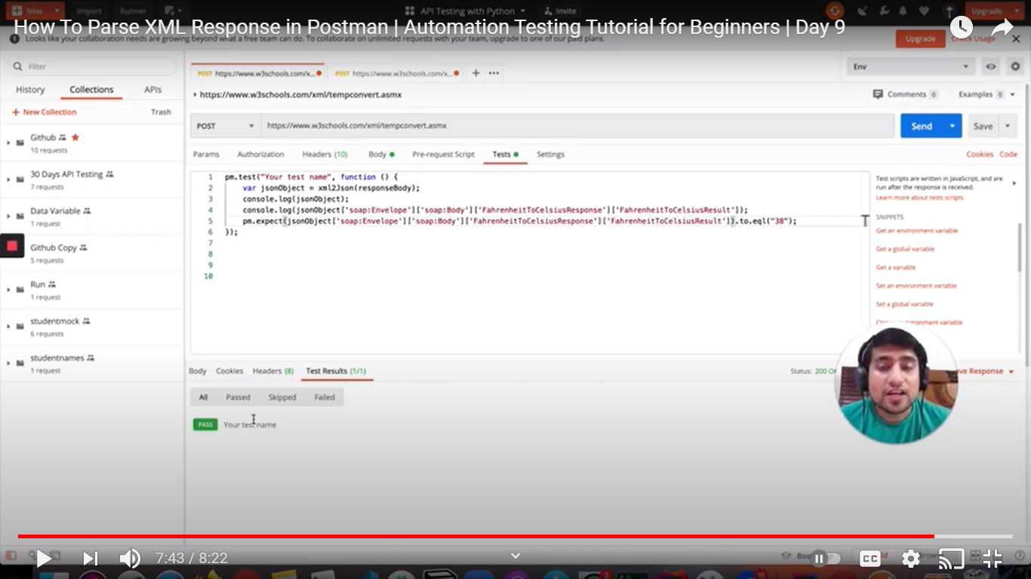
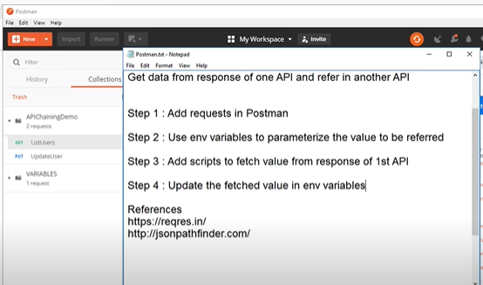
Json scripts to fetch value from response

How to Parse XML Response in Postman (originl req in xml and response come in xml then it converted into json.

